Summary
 | Aeronautics - Orbiter 1

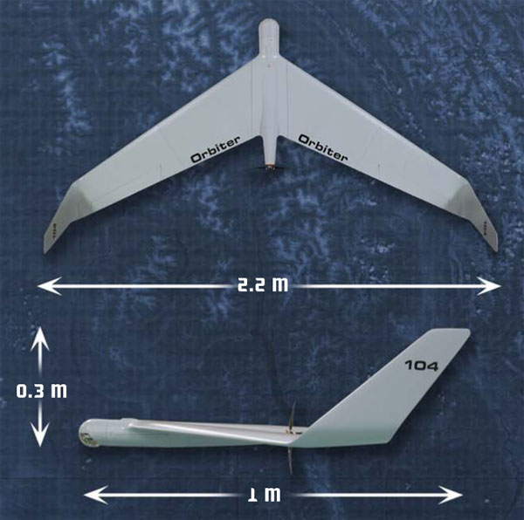
Operations Performance Files (OPF)
 | Design Range | 15,30,80 | km
 | Design Endurance | 180 | min

Basic Geometry
 | Wing Aspect Ratio | 6
 | Wing Span | 86.6 | in
 | M.A.C (Wing) | 10.79 | in
 | Wing Taper Ratio | 0.5
 | Fuselage Length | 42 | in
 | Fuselage Fineness Ratio | 0.113
 | Tail Size (Winglet) | effective span horizontal | N/A
 |  | effective area horizontal | N/A
 |  | effective area vertical | 134 | in2
 | Horizontal Tail Volume Coefficient | N/A
 | Vertical Tail Volume Coefficient | 0.027

 | Ultimate Structual Load Factor | 12.5 | G | ESTIMATED

Drag Polars
 | Equation or Graph | N/A

Mass
 | Max Mass of AV (Empty Weight) | 5.5 | kg (w/o payload)
 | Max Mass of AV (Gross Weight) | 7.5 | kg (GTOW)
 | Max Payload | 1.3 | kg
 | Max Fuel Weight | N/A

Flight Envelope
 | Loiter Speed | 33 | kts | ESTIMATED
 | VMO (in CAS or TAS) | 70 | kts
 | MMO (Mach Max Operating) | N/A
 | Hmax | 18000 | ft

Aerodynamics
 | Swet | 3217 | in2 (estimated)
 | Sref | 1266 | in2 (estimated)
 | Clbo (Buffet Onset Lift Coeff.)
 | Stall Speed (Initial Climb) | 26 | kts | ESTIMATED
 | Stall Speed (Cruise) | 26 | kts | ESTIMATED
 | Stall Speed (Take Off) | 26 | kts | ESTIMATED
 | Stall Speed (Landing) | 26 | kts | ESTIMATED
 | Stall Speed (Approach) | 26 | kts | ESTIMATED
Engine Thrust
 | Max Thrust at Climb vs. Height | 20A 1.5 Kgf at 20m/s
 | Max Thrust at Cruise | 7A 0.5 Kgf at 20m/s
 | Max Thrust at Descent | 0

Batteries
 | Main Battery | Voltage | 25.9 | V
 |  | Capacity | 18 | Ah

Propulsion
 | Engine
 | Thrust (take-off, SL STD, uninstalled)
 | # Cylinders | 0
 | Baseline Engine Power | 2072W max at 80A and 25.9V | (estimated)
 | Critical Turbocharger Altitude | N/A
 | Fuel Consumption | Max. efficiency | 84% | ESTIMATED
 |  | Max. efficiency current (>82%) | 15-40 A | ESTIMATED
 |  | Max. loading | 55A/30sec. | ESTIMATED
 | Maximum Engine Crankshaft Speed | 10731 | rpm
 | Maximum Propeller Shaft Speed | Unknown
 | Engine displacement | N/A
 | Engine compression ratio | N/A
 | Engine Envelope | X | 2.2 | in
 |  | Y | 4.84 | in
 |  | Z | 2.2 | in
 | Propeller Type | Aeronaut Cam 14/10 two blade folding, fixed pitch
 | Pitch | 10 | in (estimated)
 | Propeller diameter | 14 | in
 | Activity factor | Unknown
 | Integrated design lift coefficient (for blade) | Unknown

Ground Movement
 | Landing Length | Parachute Landing
 | Take Off Length | Bunggee launcher
 | Width of Runway | N/A
 | Aircraft Length | 1 | m

Airline Procedures Files (APF)
Climb
 | Operating Speed | 31 | kts | ESTIMATED
Cruise
 | Operating Speed | 38 | kts | ESTIMATED
Descent
 | Operating Speed | 52 | kts | ESTIMATED

